Nvidia Balance sheet
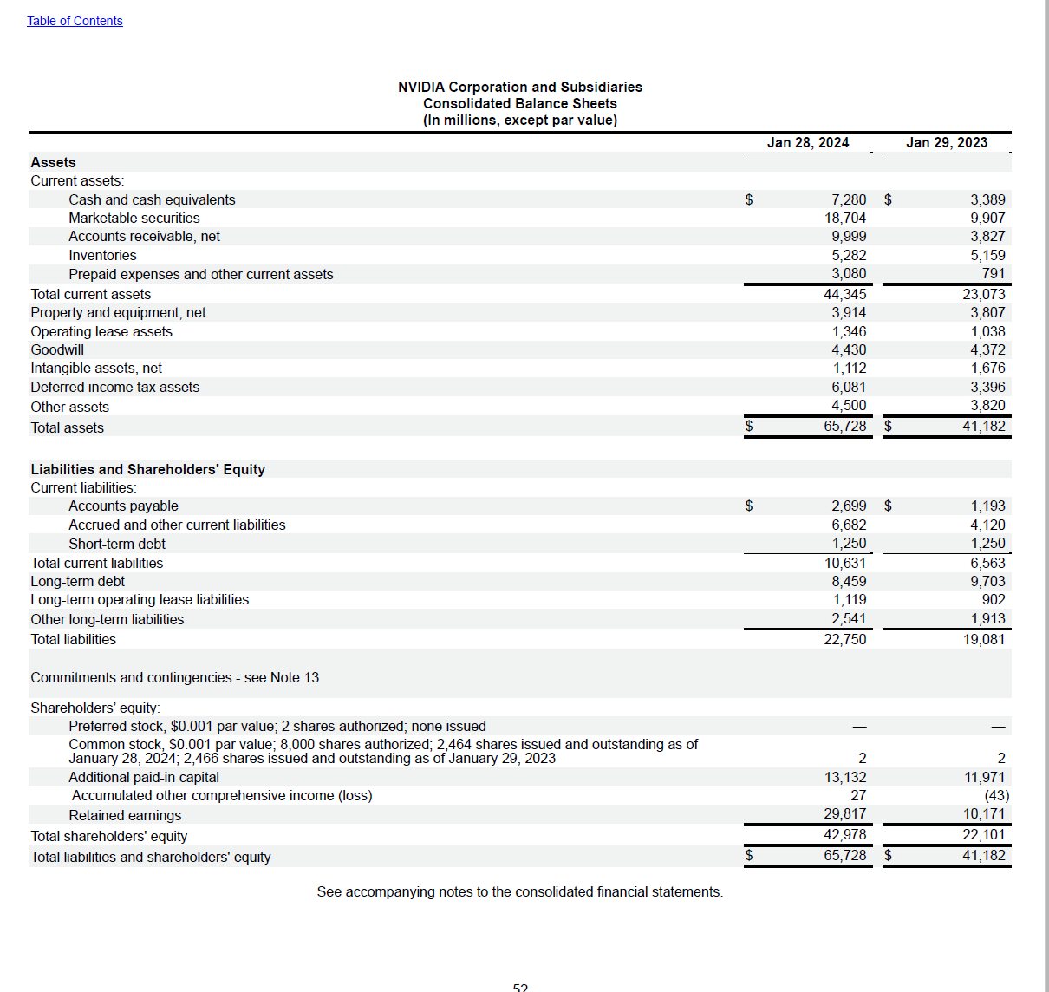
NVIDIA Corporation and Subsidiaries |  |  | See Chapter 6, Topic 6 of Financial Reporting: First Take for discussion of Expanded presentation
Consolidated Balance Sheets
(In millions, except par value)
 | Jan 28, 2024 | Jan 29, 2023
Assets |  |  | $ change for two years | % change for two years | common-sized for 2024 | common-sized for 2023
Current assets:
Cash and cash equivalents | $7,280 | $3,389 | $3,891 | 114.81% | 11.08% | 8.23%
Marketable securities | 18,704 | 9,907 | $8,797 | 88.80% | 28.46% | 24.06%
Accounts receivable, net | 9,999 | 3,827 | $6,172 | 161.28% | 15.21% | 9.29%
Inventories | 5,282 | 5,159 | $123 | 2.38% | 8.04% | 12.53%
Prepaid expenses and other current assets | 3,080 | 791 | $2,289 | 289.38% | 4.69% | 1.92%
Total current assets | 44,345 | 23,073 | $21,272 | 92.19% | 67.47% | 56.03%
Property and equipment, net | 3,914 | 3,807 | $107 | 2.81% | 5.95% | 9.24%
Operating lease assets | 1,346 | 1,038 | $308 | 29.67% | 2.05% | 2.52%
Goodwill | 4,430 | 4,372 | $58 | 1.33% | 6.74% | 10.62%
Intangible assets, net | 1,112 | 1,676 | $-564 | -33.65% | 1.69% | 4.07%
Deferred income tax assets | 6,081 | 3,396 | $2,685 | 79.06% | 9.25% | 8.25%
Other assets | 4,500 | 3,820 | $680 | 17.80% | 6.85% | 9.28%
Total assets | $65,728 | $41,182 | $24,546 | 59.60% | 100.00% | 100.00%
 |  |  | $- | #DIV/0! | 0.00% | 0.00%
Liabilities and Shareholders' Equity |  |  | $- | #DIV/0! | 0.00% | 0.00%
Current liabilities: |  |  | $- | #DIV/0! | 0.00% | 0.00%
Accounts payable | $2,699 | $1,193 | $1,506 | 126.24% | 4.11% | 2.90%
Accrued and other current liabilities | 6,682 | 4,120 | $2,562 | 62.18% | 10.17% | 10.00%
Short-term debt | 1,250 | 1,250 | $- | 0.00% | 1.90% | 3.04%
Total current liabilities | 10,631 | 6,563 | $4,068 | 61.98% | 16.17% | 15.94%
Long-term debt | 8,459 | 9,703 | $-1,244 | -12.82% | 12.87% | 23.56%
Long-term operating lease liabilities | 1,119 | 902 | $217 | 24.06% | 1.70% | 2.19%
Other long-term liabilities | 2,541 | 1,913 | $628 | 32.83% | 3.87% | 4.65%
Total liabilities | 22,750 | 19,081 | $3,669 | 19.23% | 34.61% | 46.33%
Commitments and contingencies - see Note 13 |  |  | $- | #DIV/0! | 0.00% | 0.00%
 |  |  | $- | #DIV/0! | 0.00% | 0.00%
Shareholders' equity: |  |  | $- | #DIV/0! | 0.00% | 0.00%
Preferred stock, $0.001 par value; 2 shares authorized; none issued | - | - | $- | #DIV/0! | 0.00% | 0.00%
Common stock, $0.001 par value; 8,000 shares authorized; 2,464 shares |  |  | $- | #DIV/0! | 0.00% | 0.00%
issued and outstanding as of January 28, 2024; 2,466 shares issued and |  |  | $- | #DIV/0! | 0.00% | 0.00%
outstanding as of January 29, 2023 | 2 | 2 | $- | 0.00% | 0.00% | 0.00%
Additional paid-in capital | 13,132 | 11,971 | $1,161 | 9.70% | 19.98% | 29.07%
 |  |  | $- | #DIV/0! | 0.00% | 0.00%
Accumulated other comprehensive income (loss) | 27 | (43) | $70 | -162.79% | 0.04% | -0.10%
Retained earnings | 29,817 | 10,171 | $19,646 | 193.16% | 45.36% | 24.70%
Total shareholders' equity | 42,978 | 22,101 | $20,877 | 94.46% | 65.39% | 53.67%
Total liabilities and shareholders' equity | $65,728 | $41,182 | $24,546 | 59.60% | 100.00% | 100.00%

Nvidia Income statement
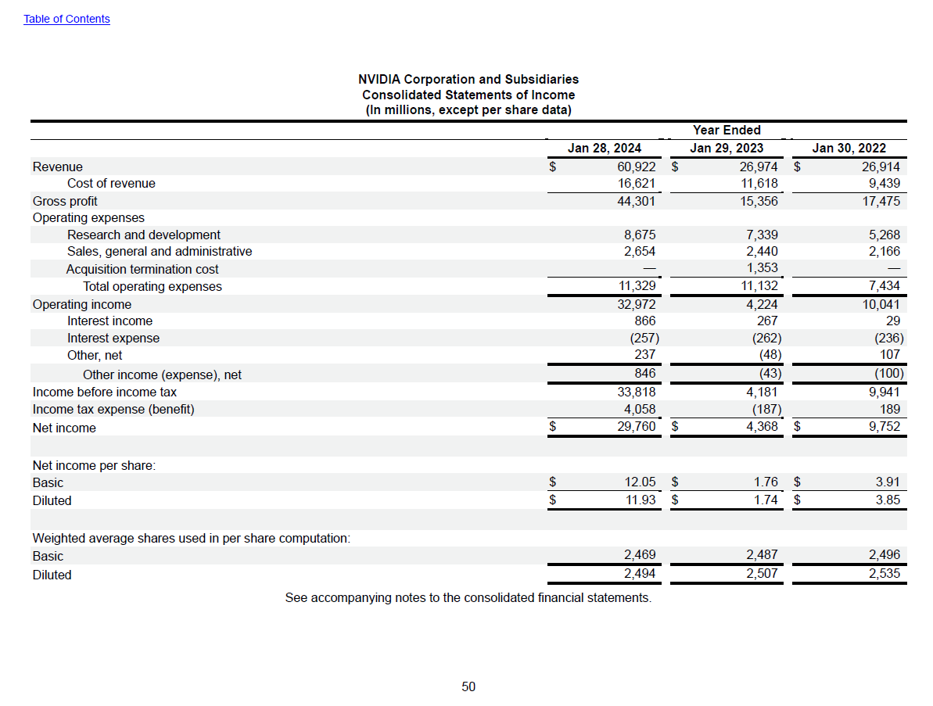
NVIDIA Corporation and Subsidiaries |  |  |  | See Chapter 7, Topic 12 of Financial Reporting: First Take for disucssion of Expanded presentation and formuli
Consolidated Statements of Income
(In millions, except per share data)
 |  | Year Ended |  | $ change for | % change for | $ change for | % change for | common-sized for | common-sized for | common-sized for
 | Jan 28, 2024 | Jan 29, 2023 | Jan 30, 2022 | 2024 v 2023 | 2024 v 2023 | 2023 v 2022 | 2023 v 2022 | 2024 | 2023 | 2022
Revenue | $60,922 | $26,974 | $26,914 | $33,948.00 | 125.85% | $60.00 | 0.22% | 100.00% | 100.00% | 100.00%
Cost of revenue | 16,621 | 11,618 | 9,439 | $5,003.00 | 43.06% | $2,179.00 | 23.09% | 27.28% | 43.07% | 35.07%
Gross profit | 44,301 | 15,356 | 17,475 | $28,945.00 | 188.49% | $(2,119.00) | -12.13% | 72.72% | 56.93% | 64.93%
Operating expenses
Research and development | 8,675 | 7,339 | 5,268 | $1,336.00 | 18.20% | $2,071.00 | 39.31% | 14.24% | 27.21% | 19.57%
Sales, general and administrative | 2,654 | 2,440 | 2,166 | $214.00 | 8.77% | $274.00 | 12.65% | 4.36% | 9.05% | 8.05%
Acquisition termination cost | - | 1,353 | - | $(1,353.00) |  | $1,353.00 |  |  | 5.02%
Total operating expenses | 11,329 | 11,132 | 7,434 | $197.00 | 1.77% | $3,698.00 | 49.74% | 18.60% | 41.27% | 27.62%
Operating income | 32,972 | 4,224 | 10,041 | $28,748.00 | 680.59% | $(5,817.00) | -57.93% | 54.12% | 15.66% | 37.31%
Interest income | 866 | 267 | 29 | $599.00 | 224.34% | $238.00 | 820.69% | 1.42% | 0.99% | 0.11%
Interest expense | (257) | (262) | (236) | $5.00 | -1.91% | $(26.00) | 11.02% | -0.42% | -0.97% | -0.88%
Other, net | 237 | (48) | 107 | $285.00 | -593.75% | $(155.00) | -144.86% | 0.39% | -0.18% | 0.40%
Other income (expense), net | 846 | (43) | (100) | $889.00 | -2067.44% | $57.00 | -57.00% | 1.39% | -0.16% | -0.37%
Income before income tax | 33,818 | 4,181 | 9,941 | $29,637.00 | 708.85% | $(5,760.00) | -57.94% | 55.51% | 15.50% | 36.94%
Income tax expense (benefit) | 4,058 | (187) | 189 | $4,245.00 | -2270.05% | $(376.00) | -198.94% | 6.66% | -0.69% | 0.70%
Net income | $29,760 | $4,368 | $9,752 | $25,392.00 | 581.32% | $(5,384.00) | -55.21% | 48.85% | 16.19% | 36.23%

Net income per share:
Basic | $12.05 | $1.76 | $3.91 | $10.29 | 584.66% | $(2.15) | -54.99% | 0.02% | 0.01% | 0.01%
Diluted | $11.93 | $1.74 | $3.85 | $10.19 | 585.63% | $(2.11) | -54.81% | 0.02% | 0.01% | 0.01%

